Taolu_External
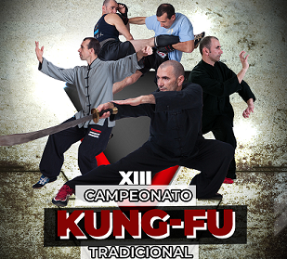

 | Pavilhão Desportivo Parque de Jogos 1º de Maio, Lisboa
 | 08 de Junho de 2019

School- Association
Contact
E-mail:
President: 1)
Coach: 2)
Team Leader: 3)
Nº of Athletes:

TAOLU - EXTERNAL STYLES |  |  |  |  | EXTERNAL STYLES
 |  |  |  |  | BARE HANDS EVENT |  | WEAPONS EVENT |  |  |  | GROUP EVENT (TEAM)
NAME (Full) | I.D. Number (or Passport) | Birth Date (dd-mm-aaaa) | Category a) | Gender | BARE HANDS (solo) | 2 MEN BARE HANDS (Partner´s Name) | SHORT WEAPONS | LONG WEAPONS | FLEXIBLE WEAPONS | 2 MEN WEAPONS (Partner´s Name) | BARE HAND | (Partners´ Names) | WEAPONS | (Partners´ Names)

a) |  |  |  | Other Information
Under 12 | ≤ 12 years
Under 14 | 13 ~14 years, including
Under 16 | 15~16 years, including
Under 18 | 17~18 years, including
Seniors Beginner | 19~35 years, including | ≤ 2 years of practice
Seniors Advanced | 19~35 years, including | > 2 years of practice
Veterans Beginner | ≥ 36 years | ≤ 2 years of practice
Veterans Advanced | ≥ 36 years | > 2 years of practice

